Incident
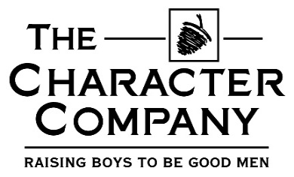
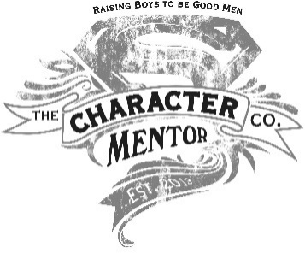
Incident report

 |  | (Please email to loraine.ch@racter.co.za)

DATE

MENTOR |  |  |  | Witness Y/N |  | Witness type

GROUP |  |  |  | Witness details

REGION

Boy's name

Where did the incident take place

Type of incident |  |  | Accident/ Injury | Behaviour issues | Violence | Poor Language | Resisting Authority
 |  |  | Not on list

Severity |  | Low | Medium | High | Urgent

Comments;

 | Yes | No

